Stakeholder Register
STAKEHOLDER REGISTER |  |  | Team number: 3
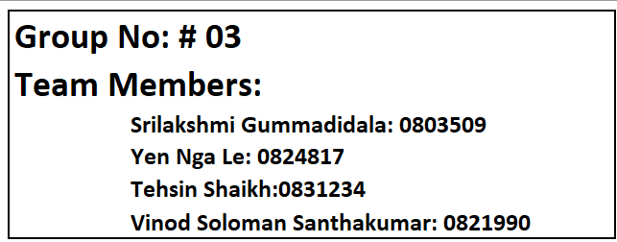
PROJECT NAME |  | Crime Rate Analysis in Toronto |  | BEGIN DATE | 5th Oct, 2023 | VERSION NUMBER
CLIENT |  | Toronto police service |  | END DATE | 15th April, 2024 | DATE PREPARED | 11/23/2023
POINT OF CONTACT |  | Harpreet Vrik |  | DURATION | 6 months and 10 days | AUTHOR | Vinod Solomon
PROJECT DESCRIPTION |  | Through interactive visualizations, we offer trend analyses, providing stakeholders with quick access to important insights while maintaining the highest standards of privacy and data security

STAKEHOLDER REGISTER
OVERVIEW |  |  |  |  | CONTACT
ID | STAKEHOLDER | TITLE / ROLE | STAKE IN PROJECT | Interest Level/ Influence | ADDRESS | EMAIL | PHONE
1 | Chief Myron Demkiw. | Chief of police | Crime Data analsyis and interactive reporting tools will help in effective crime prevention | High/Low | 40 College St., Toronto, ON M5G 2J3 | Officeofthechief@torontopolice.on.ca | 416-808-8000
2 | Olivia Chow | Mayor of toronto | Crime Data analsyis and interactive reporting tools will help in effective policy making which leads to descrese in crime rate | High/Low | City Hall, 2nd Floor 100 Queen St. W. Toronto, ON M5H 2N2 | mayor_chow@toronto.ca | 416-397-CITY (2489)
3 | Toronto Crime Stoppers Inc. | Crime stoppers Toronto | Increase in Community engagement/ Public Awareness | High/low | 40 College Street, 6th Floor Toronto, ON M5G 2J3 | crime@222tips.com | (416) 808-7260
4 | Ontario Minstry of Community | Ministry Representative | Final Deliverables will help in improving outcomes of children, youth and families through effective policy making | High/Low | 438 University Avenue, 7th floor Toronto, Ontario M5G 2K8 | ministermccss@ontario.ca | 416-325-5225
5 | Neighbourhood watch toronto | Nieghbourhood watch toronto | Will help in helping neighbourhood safe and help spread in pubilc awarness | High/Low | https://crimepreventionto.org/index-1.html | Info@CrimePreventionTO.org | 416-808-2222
6 | Peers | Peers | Insights and experince of peers contribute valuable perspectives | High/low | n/a | crime@222tips.com | (416) 808-7260
7 | Harpreet Vrik | Project Manager | In charge of supervising and guarnatee of final output meetiing requirements and His knowledge and interest in the success of the project will help guide us. | High/High | n/a | hvirk@stclaircollege.ca | n/a
8 | Hanan Swidan | Project Coordinator | Communication, planing and coordination of the final deliverables will help lead to goodproject outcomes. | High/High | n/a | hswidan@stclaircollege.ca | n/a
13 | Vinod solomon Santhakumar | Team Member | Play a important role in collaborative effort to enchance outcomes. Their efforts and experience is closely connected to the success of this project | High/High | n/a | vs200@myscc.ca | n/a
10 | Teshin Mohammedsiddique Shaikh | Team Member | Play a important role in collaborative effort to enchance outcomes. Their efforts and experience is closely connected to the success of this project | High/High | n/a | ts293@myscc.ca | n/a
11 | Srilakshmi Gummadidala | Team Member | Play a important role in collaborative effort to enchance outcomes. Their efforts and experience is closely connected to the success of this project | High/High | n/a | sg211@myscc.ca | n/a
12 | Yen Nga Le | Team Member | Play a important role in collaborative effort to enchance outcomes. Their efforts and experience is closely connected to the success of this project | High/High | n/a | yl24@myscc.ca | n/a

